answers
 |  |  | Data Assignment 1: Trading and Portfolio

 |  |  |  |  | Group members
 |  |  |  |  | Soheila Noori
 |  |  |  |  | Nguyen Khanh Chi
 |  |  |  |  | Daniel Homlok

Question a

Monthly realized excess returns for GLD, VEURXE and SPY over the last 5 years
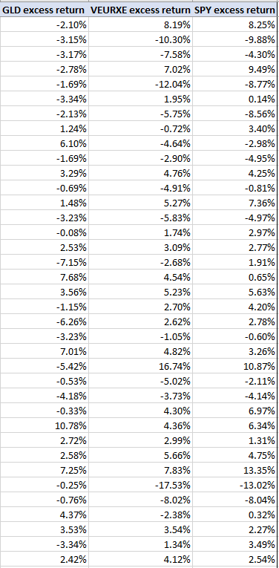

 |  |  |  | Monthly expected excess return and stdev

 |  |  |  |  | Correlation matrix
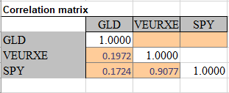

 |  |  |  |  |  | Comments
We arrange the data from the most recent data (October 1, 2022) to the oldest data (December 1, 2017).
VEURXE and SPY, from the correlations table, are shown to be positively correlated to a great extent (0.9077). However at first looking at the monthly data, we expect them to be negatively correlated. Also, gold is also loosely but postively correlated with VEURXE and SPY (0.1972 and 0.1724 respectively) according to the correlations table.

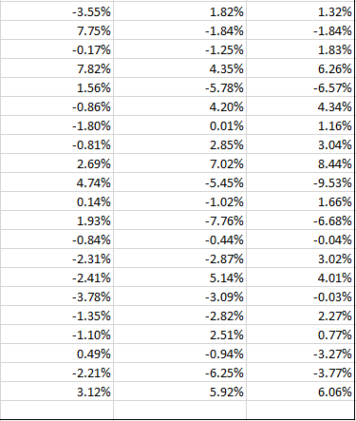

Question b

 | Optimal risky portfolio

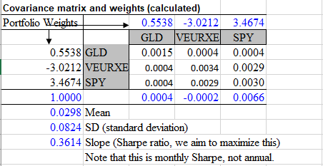

Question c,d,e, & f

 |  |  |  |  |  |  | Comments on risk-aversion point A= 4 and A=5 (part d)

We have plotted the graph for different levels of aversion 4 and 5 under part c. According to the graph, the optimal portfolios for these two risk-aversions are realistic, because given the continuation of the CML, these two optimal portfolios are on the CML. However, these two porfolios are well above the line, so their leverage levels are high, meaning that they have to borrow a lot at risk-free rate.
 |  | Optimization with and without short-selling constraints
E(r)-stdev plane
 | Linear (CML) |  | risk-free |  | SPY |  | VEURXE |  | GLD |  | Optimal Portfolio |  | A=4 |  | A=5 |  | Linear (Constraint CML) |  | Optimal Portfolio (with constraint)
0.00% | 0.00% | 0.09% | 0.10% | 5.50% | 0.84% | 5.83% | 0.04% | 3.83% | 0.33% | 8.24% | 2.98% | 0.090351038839 | 0.032653240877 | 0.072280831071 | 0.026122592702 | 0.00% | 0.00% | 0.0399 | 0.0298
0.14% | 0.05% |  |  |  |  |  |  |  |  |  |  |  |  |  |  | 0.07% | 0.05%
0.28% | 0.10% |  |  |  |  |  |  |  |  |  |  |  |  |  |  | 0.13% | 0.10%
0.42% | 0.15% |  |  |  |  |  |  |  |  |  |  |  |  |  |  | 0.20% | 0.15%
0.55% | 0.20% |  |  |  |  |  |  |  |  |  |  |  |  |  |  | 0.27% | 0.20%
0.69% | 0.25% |  |  |  |  |  |  |  |  |  |  |  |  |  |  | 0.33% | 0.25%
0.83% | 0.30% |  |  |  |  |  |  |  |  |  |  |  |  |  |  | 0.40% | 0.30%
0.97% | 0.35% |  |  |  |  |  |  |  |  |  |  |  |  |  |  | 0.47% | 0.35%
1.11% | 0.40% |  |  |  |  |  |  |  |  |  |  |  |  |  |  | 0.54% | 0.40%
1.25% | 0.45% |  |  |  |  |  |  |  |  |  |  |  |  |  |  | 0.60% | 0.45%
1.38% | 0.50% |  |  |  |  |  |  |  |  |  |  |  |  |  |  | 0.67% | 0.50%
1.52% | 0.55% |  |  |  |  |  |  |  |  |  |  |  |  |  |  | 0.74% | 0.55%
1.66% | 0.60% |  |  |  |  |  |  |  |  |  |  |  |  |  |  | 0.80% | 0.60%
1.80% | 0.65% |  |  |  |  |  |  |  |  |  |  |  |  |  |  | 0.87% | 0.65%
1.94% | 0.70% |  |  |  |  |  |  |  |  |  |  |  |  |  |  | 0.94% | 0.70%
2.08% | 0.75% |  |  |  |  |  |  |  |  |  |  |  |  |  |  | 1.00% | 0.75%
2.21% | 0.80% |  |  |  |  |  |  |  |  |  |  |  |  |  |  | 1.07% | 0.80%
2.35% | 0.85% |  |  |  |  |  |  |  |  |  |  |  |  |  |  | 1.14% | 0.85%
2.49% | 0.90% |  |  |  |  |  |  |  |  |  |  |  |  |  |  | 1.20% | 0.90%
2.63% | 0.95% |  |  |  |  |  |  |  |  |  |  |  |  |  |  | 1.27% | 0.95%
2.77% | 1.00% |  |  |  |  |  |  |  |  |  |  |  |  |  |  | 1.34% | 1.00%
2.91% | 1.05% |  |  |  |  |  |  |  |  |  |  |  |  |  |  | 1.40% | 1.05%
3.04% | 1.10% |  |  |  |  |  |  |  |  |  |  |  |  |  |  | 1.47% | 1.10%
3.18% | 1.15% |  |  |  |  |  |  |  |  |  |  |  |  |  |  | 1.54% | 1.15%
3.32% | 1.20% |  |  |  |  |  |  |  |  |  |  |  |  |  |  | 1.61% | 1.20%
3.46% | 1.25% |  |  |  |  |  |  |  |  |  |  |  |  |  |  | 1.67% | 1.25%
3.60% | 1.30% |  |  |  |  |  |  |  |  |  |  |  |  |  |  | 1.74% | 1.30%
3.74% | 1.35% |  |  |  |  |  |  |  |  |  |  |  |  |  |  | 1.81% | 1.35%
3.87% | 1.40% |  |  |  |  |  |  |  |  |  |  |  |  |  |  | 1.87% | 1.40%
4.01% | 1.45% |  |  |  |  |  |  |  |  |  |  |  |  |  |  | 1.94% | 1.45%
4.15% | 1.50% |  |  |  |  |  |  |  |  |  |  |  |  |  |  | 2.01% | 1.50%
4.29% | 1.55% |  |  |  |  |  |  |  |  |  |  |  |  |  |  | 2.07% | 1.55%
4.43% | 1.60% |  |  |  |  |  |  |  |  |  |  |  |  |  |  | 2.14% | 1.60%
4.57% | 1.65% |  |  |  |  |  |  |  |  |  |  |  |  |  |  | 2.21% | 1.65%
4.70% | 1.70% |  |  |  |  |  |  |  |  |  |  |  |  |  |  | 2.27% | 1.70%
4.84% | 1.75% |  |  |  |  |  |  |  |  |  |  |  |  |  |  | 2.34% | 1.75%
4.98% | 1.80% |  |  |  |  |  |  |  |  |  |  |  |  |  |  | 2.41% | 1.80%
5.12% | 1.85% |  |  |  |  |  |  |  |  |  |  |  |  |  |  | 2.47% | 1.85%
5.26% | 1.90% |  |  |  |  |  |  |  |  |  |  |  |  |  |  | 2.54% | 1.90%
5.40% | 1.95% |  |  |  |  |  |  |  |  |  |  |  |  |  |  | 2.61% | 1.95%
5.53% | 2.00% |  |  |  |  |  |  |  |  |  |  |  |  |  |  | 2.68% | 2.00%

 |  |  |  |  |  |  | Comments on GLD investment (part e)

Investing in Gold, compared to SPY and VEUREX, yields a lower return, hence the lower sharpe ratio, which makes it less attractive investment option for investors with higher risk appetite. Additionally,the correlation between gold and SPY, and gold and VEURXE also have very low correlation (0.1724 and 0.1972 respectively), so even when the expected return of SPY and VEURXE can fluctuate greatly, expected return of gold is not as volatile. Combined with its lower standard deviation, gold therefore can be regarded as a stable investment for risk-averse investors.

 |  |  |  |  |  |  | Comments on changes in optimal risky portfolio (f)

The CML and optimal portfolio point changes, and we mark them in the graph on the left side.

optimisation
Mean and expected return
 | hist. eret | std | E(R)-RF
GLD | 0.33% | 3.83% | 0.33%
VEURXE | 0.04% | 5.83% | 0.04%
SPY | 0.84% | 5.50% | 0.84%

Correlation matrix
 | GLD | VEURXE | SPY
GLD | 1.0000
VEURXE | 0.1972 | 1.0000
SPY | 0.1724 | 0.9077 | 1.0000

Covariance matrix and weights (calculated)
Portfolio Weights |  | 0.5538 | -3.0212 | 3.4674
 |  | GLD | VEURXE | SPY
0.5538 | GLD | 0.0015 | 0.0004 | 0.0004
-3.0212 | VEURXE | 0.0004 | 0.0034 | 0.0029
3.4674 | SPY | 0.0004 | 0.0029 | 0.0030
1.0000 |  | 0.0004 | -0.0002 | 0.0066
0.0298 | Mean
0.0824 | SD (standard deviation)
0.3614 | Slope (Sharpe ratio, we aim to maximize this)
 | Note that this is monthly Sharpe, not annual.

 | Er | Std
risk-free | 0.10% | 0.09%
SPY | 0.84% | 5.50%
VEURXE | 0.04% | 5.83%
GLD | 0.33% | 3.83%
Optimal Portfolio | 2.98% | 8.24%

 | Std | Er
1 | 0.00 | 0.00
2 | 0.14% | 0.05%
3 | 0.28% | 0.10%
4 | 0.42% | 0.15%
5 | 0.55% | 0.20%
E(r)-stdev plane
6 | 0.69% | 0.25%
7 | 0.83% | 0.30%
8 | 0.97% | 0.35%
9 | 1.11% | 0.40%
10 | 1.25% | 0.45%
11 | 1.38% | 0.50%
12 | 1.52% | 0.55%
13 | 1.66% | 0.60%
14 | 1.80% | 0.65%
15 | 1.94% | 0.70%
16 | 2.08% | 0.75%
17 | 2.21% | 0.80%
18 | 2.35% | 0.85%
19 | 2.49% | 0.90%
20 | 2.63% | 0.95%
21 | 2.77% | 1.00%
22 | 2.91% | 1.05%
23 | 3.04% | 1.10%
24 | 3.18% | 1.15%
25 | 3.32% | 1.20%
26 | 3.46% | 1.25%
27 | 3.60% | 1.30%
28 | 3.74% | 1.35%
29 | 3.87% | 1.40%
30 | 4.01% | 1.45%
31 | 4.15% | 1.50%
32 | 4.29% | 1.55%
33 | 4.43% | 1.60%
34 | 4.57% | 1.65%
35 | 4.70% | 1.70%
36 | 4.84% | 1.75%
37 | 4.98% | 1.80%
38 | 5.12% | 1.85%
39 | 5.26% | 1.90%
40 | 5.40% | 1.95%
41 | 5.53% | 2.00%

Question d

A | Y | Er | Std
4 | 1.095981167 | 0.032653240877 | 0.090351038839
5 | 0.87678493361 | 0.026122592702 | 0.072280831071

 | Covariance matrix and weights (with short-sell constraints)
 | Portfolio Weights |  | 0.2768 | 0.0000 | 0.7232
 |  |  | GLD | VEURXE | SPY
 | 0.2768 | GLD | 0.0015 | 0.0004 | 0.0004
 | 0.0000 | VEURXE | 0.0004 | 0.0034 | 0.0029
 | 0.7232 | SPY | 0.0004 | 0.0029 | 0.0030
 | 1.0000 |  | 0.0002 | 0.0000 | 0.0014
 | 0.0298 | Mean
 | 0.0399 | SD (standard deviation)
 | 0.7476 | Slope (Sharpe ratio, we aim to maximize this)
 |  | Note that this is monthly Sharpe, not annual.

 | Std | Er
1 | 0 | 0.00%
2 | 0.07% | 0.05%
3 | 0.13% | 0.10%
4 | 0.20% | 0.15%
5 | 0.27% | 0.20%
6 | 0.33% | 0.25%
7 | 0.40% | 0.30%
8 | 0.47% | 0.35%
9 | 0.54% | 0.40%
10 | 0.60% | 0.45%
11 | 0.67% | 0.50%
12 | 0.74% | 0.55%
13 | 0.80% | 0.60%
14 | 0.87% | 0.65%
15 | 0.94% | 0.70%
16 | 1.00% | 0.75%
17 | 1.07% | 0.80%
18 | 1.14% | 0.85%
19 | 1.20% | 0.90%
20 | 1.27% | 0.95%
21 | 1.34% | 1.00%
22 | 1.40% | 1.05%
23 | 1.47% | 1.10%
24 | 1.54% | 1.15%
25 | 1.61% | 1.20%
26 | 1.67% | 1.25%
27 | 1.74% | 1.30%
28 | 1.81% | 1.35%
29 | 1.87% | 1.40%
30 | 1.94% | 1.45%
31 | 2.01% | 1.50%
32 | 2.07% | 1.55%
33 | 2.14% | 1.60%
34 | 2.21% | 1.65%
35 | 2.27% | 1.70%
36 | 2.34% | 1.75%
37 | 2.41% | 1.80%
38 | 2.47% | 1.85%
39 | 2.54% | 1.90%
40 | 2.61% | 1.95%
41 | 2.68% | 2.00%

